Estimated BOM and Costs Details
 | PLC Hardware
 |  | From Rexel

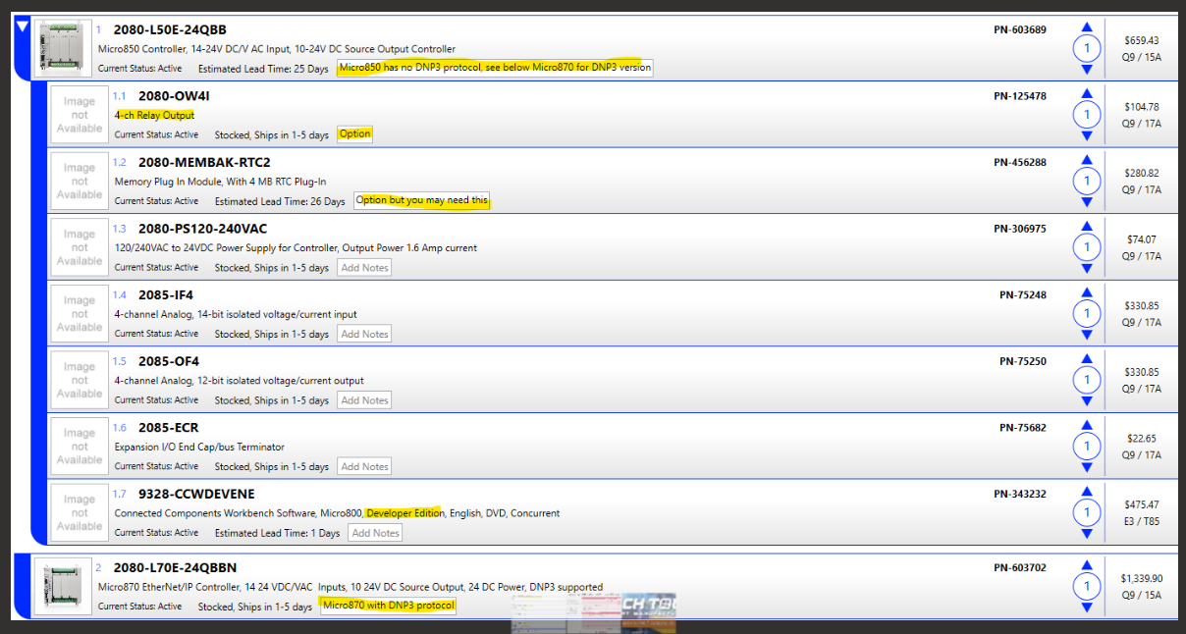
Micro 850E | $660.00
OW4I | $105.00 | For Drive Enable and Direction |  |  |  |  |  |  |  |  | Micro 850E | $660.00
Memory | $280.00 |  |  |  |  |  |  |  |  |  | OW4I | $105.00 | For Drive Enable and Direction
Power Supply | $75.00 |  |  |  |  |  |  |  |  |  | Memory | $280.00
IF4 | $331.00 |  |  |  |  |  |  |  |  |  | Power Supply | $75.00
OF4 | $331.00 | TBD |  |  |  |  |  |  |  |  | IF4 | $331.00
End Cap | $23.00 |  |  |  |  |  |  |  |  |  | OF4 | $331.00
ModBus Module |  | TBD |  |  |  |  |  |  |  |  | End Cap | $23.00
 | $1,805.00 | Per Site
 | $80.00 | Sites |  |  |  |  |  |  |  |  |  | $1,805.00
 | $144,400.00 | Total

PLC Dev SW | $475.00 | one Time
 |  |  |  |  |  |  |  |  |  |  | PLC Dev SW | $475.00 | one Time
Remote IO | $1,000 | add for some sites
 | 20 | Sites |  |  |  |  |  |  |  |  | Remote IO | $600
 | $20,000 | Total

 | $144,400.00
 | $20,000

 | $164,400.00

 | UPS

 |  |  |  | 10 | A |  |  | 5 | A
 |  |  |  | 120 | VA |  |  | 120 | VA
 |  |  |  | 1200 | VA |  |  | 600 | VA
 | UPS @ 60 minutes |  |  | 0.9 | PF |  |  | 0.9 | PF
 | 5 amps, 5 Amp-Hours |  |  | 1080 | Watts |  |  | 540 | Watts
 | 10 Amps, 10 Amp-Hours |  |  | 0.8 | Double-Conversion.. 0.8 efficiency |  |  | 0.8 | Double-Conversion.. 0.8 efficiency | for PureSine Wave Output
 |  |  |  | 864 | Actual Watts |  |  | 432 | Actual Watts
 |  |  |  | 120 | Volts |  |  | 120 | Volts
 |  |  |  | 7.2 | Actual Amps |  |  | 3.6 | Actual Amps

 |  | Phoenix-Contact
 |  | 1 KW UPS Controler AC-AC |  | $550 |  | QUINT4-UPS/1AC/1AC/1KVA - Uninterruptible power supply
 |  | Batteries x 1, 12A-Hr |  | $450
 |  | Labor |  | $300
 |  |  |  | $1,300 | Per Site
 |  | extra batts, up to 192 A-Hrs |  | 80 | Sites
 |  |  |  | $104,000

 | Pro-Soft
 | SD-WAN network of sites to connect PLC, and other devices, to AWS, and to Ignition
 |  |  | 
 |  |  | Quantity | Product Number | Description | LIST $ | $ Totals |  | Annual Costs
 |  |  | Optional | RLX2-IHNF-A | 802.11abgn Fast Industrial Hotspot, includes 2dBi stub antenna, FCC | $1,739
 |  |  | 3 | PLX35-NB2 | Remote Access Network Bridge | $739 | $2,217 |  |  | For Desktop connections
 |  |  | 1 | PSC-PDN-ACT | PDN Account Activation Fee | $659 | $659
 |  |  | 80 | PSC-PDN-SITE-1Y | PDN Subscription for 1 year for each site | $235 | na |  | $18,800
 |  |  | 80 | ICX35-HWC-A | Industrial Cellular Gateway - CDMA/EVDO/GSM/LTE Americas | $859 | $68,720 |  |  | For site connections

 |  |  |  |  |  |  | $71,596
 |  |  |  |  |  | Tax @ 10% | $7,159.60
 |  |  |  |  |  |  | $78,756

 | Cabinets |  | QTY | Item | Cost per Item | Total
 | by Saginaw |  | 75 | 24hx24wx12d | $450 | $33,750
 | 24hx24w |  | 80 | 24hx24wx8d | $450 | $36,000
 |  |  | 5 | 24hx24wx16d | $500 | $2,500 |  |  | Deep cabinets for inner door and/or HMI, and/or manual controls
 |  |  | 160 | Sub-panels | $75 | $12,000
 |  |  | 5 | Inner-door | $115 | $575
 |  |  | 80 | Lock and Key | $10 | $800
 |  |  | 5 | door kit | $50 | $250
 |  |  |  |  | Sub-Total | $85,875
 |  |  |  |  | Tax @ 10% | $8,587.50
 |  |  |  |  | Delivery | 10000 | ? |  | Need warehouse address for quote
 |  |  |  |  | Total | $104,463

 | Misc. Devices Required at site | Supplier
 |  |  | Costs | Est Required Per site | Cost Per Site
 | Circuit Breakers, 2P-20Amp | Eaton
 | Power Supply 120/24 | Phoenix-Contact | $55 | 4 | $220
 | Motor Current Transformer w/AO | ? | $720 | 1 | $720 | TRIO3-PS/1AC/24DC/20/8C/IOL - Power supply unit
 | Cellular Antennae and Cables | ? | $150 | 1 | $150 | Square D
 | Misc cabinet hardware |  | $300 | 1 | $300
 | Ethernet Sw 8 port | Phoenix-Contact | $200 | 1 | $200
 |  |  | $200 | 1 | $200
 |  |  |  |  | $0
 |  |  |  |  | $0
 |  |  |  |  | $0
 |  |  |  |  | $0
 |  |  |  |  | $0
 |  |  |  |  | $1,790 | Per Site
 |  |  |  |  | 80 | Sites
 |  |  |  |  | $143,200

 | Misc Instruments and Devices

 |  | HACH SC4500 |  | $4,000 | 1 | $4,000
 |  | Cellular SIM config |  |  |  | $8,000 | ?
 |  | Drives |  |  |  | $0 | ?
 |  | Soft-Start |  |  |  | $0 | ?
 |  | Local HMI |  | $2,000 | 10 | $20,000 | ?
 |  |  |  |  |  | $0
 |  |  |  |  |  | $32,000

 | Software
 | One-Time Costs
 |  | Ignition | See quote |  |  | $37,000
 |  | PLC SW, CCW Pro |  | $475 | 2 | $950
 |  | PLC SW, Studio |  |  |  | $5,000
 |  |  |  |  |  | $37,950

 | Software Labor

 |  |  | $/Hr | hours | sites
 |  | AWS Configuration | $100 | 40 | 1 | $4,000
 |  | Ignition Configuration | $100 | 40 | 80 | $320,000
 |  | Pro-Soft SD-WAN configuration | $100 | 1 | 80 | $8,000
 |  | PLC Configuration | $100 | 40 | 80 | $320,000
 |  | Local HMI | $100 | 20 | 20 | $40,000
 |  |  |  |  |  | $0
 |  |  |  |  |  | $692,000

 | Misc Labor

 | Install and Wiring |  | $100 | 40 | 80 | $320,000
 | Hotel, M & IE |  | $300 | 5 | 80 | $120,000
 | Cabinet Pre-Fab Off-site Labor |  | $100 | 16 | 160 | $256,000
 |  |  |  |  |  | $696,000

 | Annual Subscription Costs
 |  | Pro-Soft |  |  |  | 20,000
 |  | T-Mobile |  |  |  | 5,000 | ?
 |  | AWS |  |  |  | 2,000 | ?
 |  |  |  |  |  | 27,000

